DISCONTINUED EVERLAST

EVERLAST CUSTOMER SUPPORT DISCONTINUED STOCK LINES 2019

STYLE | GENDER | CATEGORY | IMAGE | DESCRIPTION | FABRICATION / WEIGHT | COLOUR | SOLID COLOUR/ASST SIZE RATIO PACK | STOCK LOCATION | ORIGINAL MSRP EURO € | XS | S | M | L | XL | XXL | ONE SIZE | 7-8 | 9-10 | 11-12 | 13 | QUANTITY IN STOCK
WAE1614 | UNISEX | BAG |  | MENS EVERLAST DRAWSTRING BAG | 210T POLYESTER | BLACK | SOL/SOL | NET01 | € 6.50 | 0 | 0 | 0 | 0 | 0 | 0 | 3,370 | 0 | 0 | 0 | 0 | 3,370
WAE1135 | MENS | BAG | 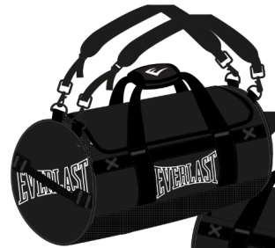 | MENS EVERLAST LOGO BARREL BAG | POLYESTER | BLACK | SOL/SOL | NET02 | € 24.99 | 0 | 0 | 0 | 0 | 0 | 0 | 8,976 | 0 | 0 | 0 | 0 | 8,976
EVR2201 | MENS | TEE |  | MENS TSHIRT EVR2201 | 100% COTTON | YELLOW | SOL/SOL | HIL01 | € 14.99 | 0 | 0 | 56 | 129 | 126 | 0 | 0 | 0 | 0 | 0 | 0 | 311
EVR9147 | MENS | TEE | 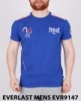 | MENS CREW NECK TEE EVR9147 | 100% COTTON | BLUE | MIXED | HIL01 | € 16.99 | 0 | 22 | 0 | 1 | 5 | 0 | 0 | 0 | 0 | 0 | 0 | 28
EVR4429 | MENS | TEE |  | MENS EVERLAST TEE | 100% COTTON | TBC | SOL/SOL | HIL01 | € 14.99 |  |  |  |  |  |  |  |  |  |  |  | 1,004
EVR8278 | MENS | TEE |  | MENS EVERLAST BLACK TEE | 100% COTTON | BLACK | SOL/SOL | HIL01 | € 14.99 |  |  |  |  |  |  |  |  |  |  |  | 8,278
EVR8187 | BOYS | TEE |  | BOYS CVC TEE EVR8187 | 100% COTTON SJ 160 GSM | BLACK MARL/GREEN MARL/GREY MARL/OPTIC WHITE | 4 COLOURS 1 2 2 1 | NET01 | € 12.99 | 0 | 0 | 0 | 0 | 0 | 0 | 0 | 48 | 96 | 96 | 48 | 288
EVR6563 | MENS | TEE | 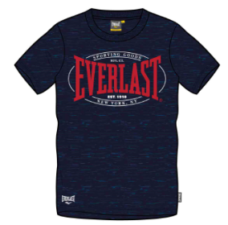 | MENS EVERLAST NEW YORK CVC TEE | TBC | TBC | TBC | TBC | TBC | 0 | 0 | 48 | 48 | 288 | 0 | 0 | 0 | 0 | 0 | 0 | 384
EVR9150 | MENS | SWEAT |  | MENS ZIP THRU HOODY EVR9150 | 80% COTTON 20% POLYESTER | BLUE | SOL/SOL | HIL01 | € 24.99 | 10 | 60 | 2 | 3 | 4 | 0 | 0 | 0 | 0 | 0 | 0 | 79
EVR9152 | MENS | TRICOT | 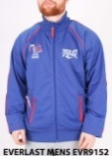 | MENS ZIP THRU FUNNEL NECK TRICOT EVR9152 | 100% POLYESTER | BLUE | SOL/SOL | HIL01 | € 24.99 | 50 | 67 | 55 | 8 | 39 | 9 | 0 | 0 | 0 | 0 | 0 | 228
EVR8878 | MENS | SHORT | 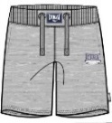 | EVERLAST LOOPBACK SHORT EVR8878 | 260GSM LOOPBACK 70/30 CVC | GREY MARL | MIXED | NET01 | € 18.00 | 0 | 0 | 20 | 18 | 186 | 138 | 0 | 0 | 0 | 0 | 0 | 362
EVR9149 | MENS | PANT |  | MENS SWEAT CUFFED JOG PANT EVR9149 | 80% COTTON 20% POLYESTER | BLUE | SOL/SOL | HIL01 | € 22.99 | 6 | 28 | 0 | 0 | 0 | 0 | 0 | 0 | 0 | 0 | 0 | 34
EVR9831 | MENS | PANT | 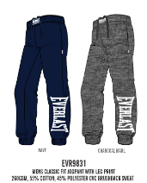 | MENS LARGE LOGO JOGPANT | 60% COTTON 40% POLYESTER 260 GSM | GREY MARL | SOL/SOL | HIL01 | € 24.99 | 0 | 0 | 12 | 15 | 18 | 15 | 0 | 0 | 0 | 0 | 0 | 60
 |  |  |  |  |  |  |  |  |  |  |  |  |  |  |  |  |  |  |  |  | 23,402

